Funnels analysis
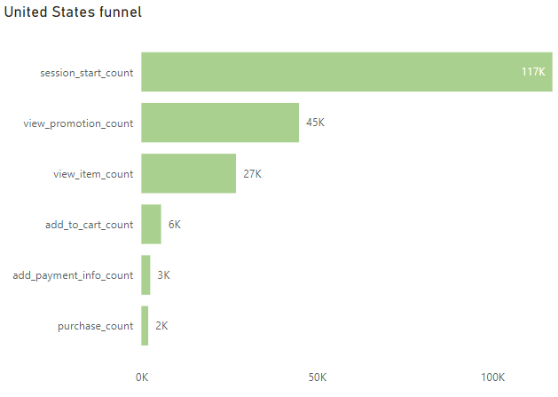
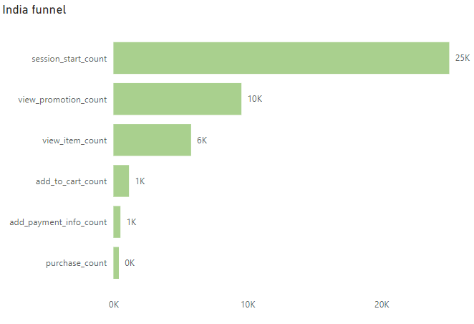
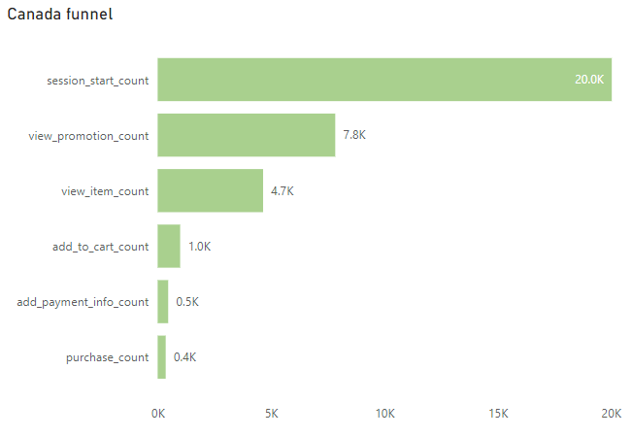
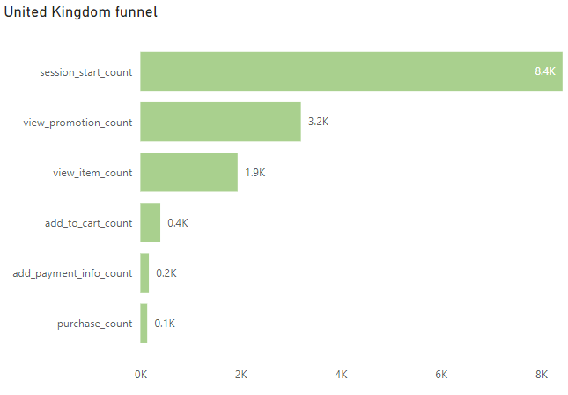
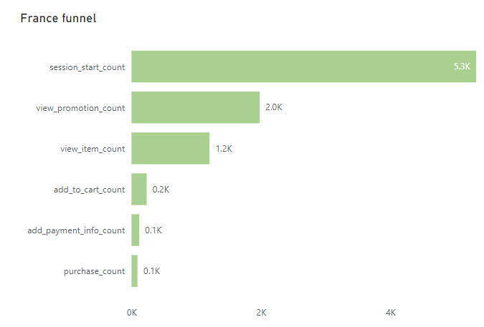
country | session_start_count | dropoff_prct1 | view_promotion_count | dropoff_prct2 | view_item_count | dropoff_prct3 | add_to_cart_count | dropoff_prct4 | add_payment_info_count | dropoff_prct5 | purchase_count | 1 | Interestingly, the percentage drop-off remains consistent across all steps of the purchasing process, irrespective of the customer's country. This indicates that the challenges we face are likely due to the inherent complexity or inefficiencies in our overall checkout process rather than region-specific issues.
United States | 117160 | 61.67 | 44912 | 76.99 | 26953 | 95.22 | 5603 | 97.85 | 2516 | 98.34 | 1942
India | 25059 | 61.89 | 9551 | 76.87 | 5795 | 95.36 | 1162 | 97.91 | 524 | 98.38 | 406 | 2 | The most noticable decrease happens from Item viewing to actually adding it to the cart, it decreases almost by 5 times, so we can assume that items sold are not that interesting for the customers.
Canada | 20037 | 60.89 | 7836 | 76.78 | 4653 | 95.04 | 993 | 97.68 | 465 | 98.23 | 355
United Kingdom | 8427 | 61.98 | 3204 | 76.97 | 1941 | 95.28 | 398 | 97.98 | 170 | 98.37 | 137 | 3 | We lose roughly 1/4 of the customers from adding payment info step to actually purchasing the item. Maybe we could reduce the number of steps involved in adding payment information and consider implementing a one-click checkout option or integrating digital wallets like PayPal or Apple Pay to expedite the process.
France | 5322 | 62.83 | 1978 | 77.36 | 1205 | 95.6 | 234 | 97.76 | 119 | 98.25 | 93

 | United States | India | Canada | United Kingdom | France |  | United States % drop | India % drop | Canada % drop | United Kingdom % drop | France % drop
session_start_count | 117160 | 25059 | 20037 | 8427 | 5322 |  | 100% | 100% | 100% | 100% | 100%
view_promotion_count | 44912 | 9551 | 7836 | 3204 | 1978 |  | 38.33% | 38.11% | 39.11% | 38.02% | 37.17%
view_item_count | 26953 | 5795 | 4653 | 1941 | 1205 |  | 23.01% | 23.13% | 23.22% | 23.03% | 22.64%
add_to_cart_count | 5603 | 1162 | 993 | 398 | 234 |  | 4.78% | 4.64% | 4.96% | 4.72% | 4.40%
add_payment_info_count | 2516 | 524 | 465 | 170 | 119 |  | 2.15% | 2.09% | 2.32% | 2.02% | 2.24%
purchase_count | 1942 | 406 | 355 | 137 | 93 |  | 1.66% | 1.62% | 1.77% | 1.63% | 1.75%

Funnel graphs
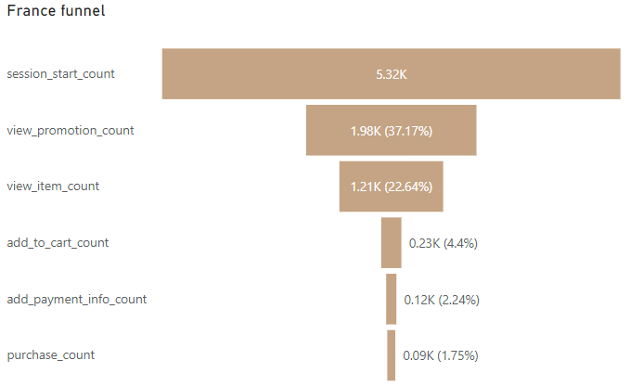
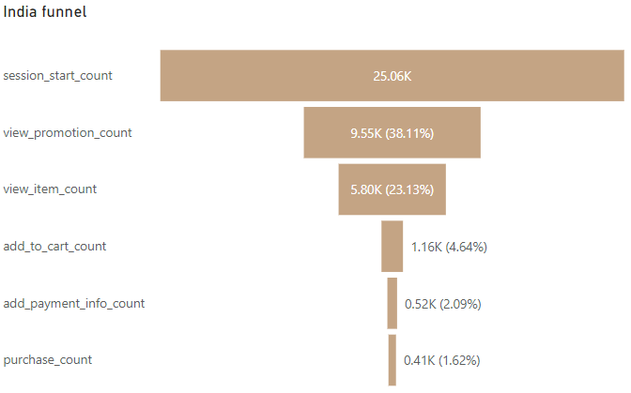



Funnel graphs:

